Metrics and Plots
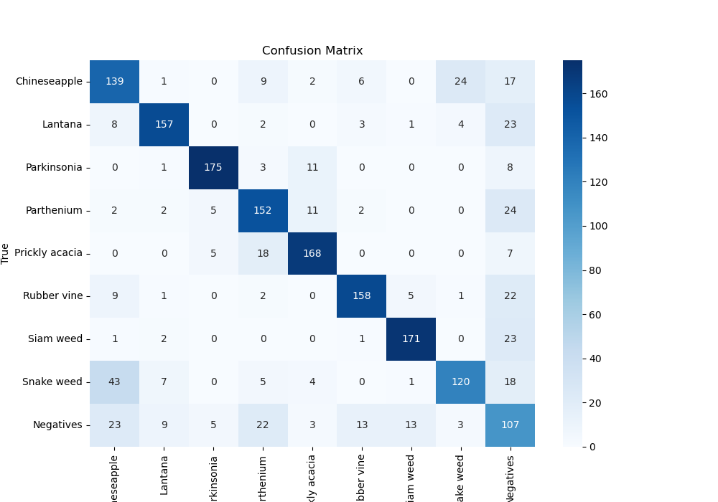
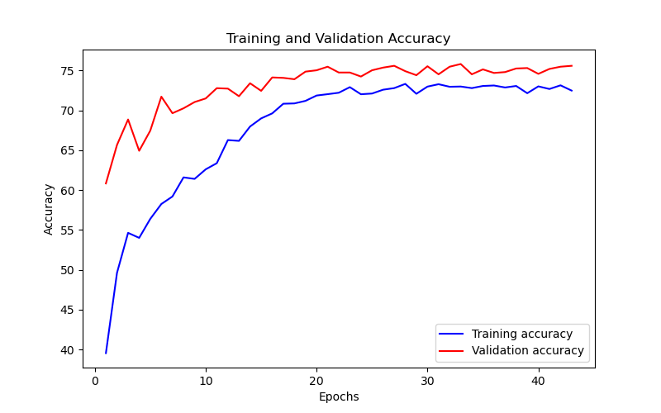
Epoch | Train Accuracy | Train Loss | Validation Accuracy | Validation Loss
1 | 39.54 | 1.788 | 60.830527497 | 1.213
2 | 49.61 | 1.426 | 65.656565657 | 1.069
3 | 54.63 | 1.336 | 68.855218855 | 1.036
4 | 54 | 1.336 | 64.92704826 | 1.025
5 | 56.38 | 1.271 | 67.452300786 | 0.961
6 | 58.25 | 1.217 | 71.717171717 | 0.918
7 | 59.19 | 1.219 | 69.640852974 | 0.913
8 | 61.59 | 1.157 | 70.258136925 | 0.9
9 | 61.4 | 1.169 | 71.043771044 | 0.917
10 | 62.6 | 1.143 | 71.492704826 | 0.947
11 | 63.37 | 1.053 | 72.78338945 | 0.855
12 | 66.27 | 0.966 | 72.727272727 | 0.841
13 | 66.17 | 0.969 | 71.77328844 | 0.848
14 | 67.97 | 0.919 | 73.400673401 | 0.822
15 | 68.99 | 0.883 | 72.446689113 | 0.811
16 | 69.62 | 0.881 | 74.130190797 | 0.817
17 | 70.83 | 0.86 | 74.074074074 | 0.789
18 | 70.87 | 0.84 | 73.905723906 | 0.787
19 | 71.19 | 0.826 | 74.859708193 | 0.764
20 | 71.86 | 0.834 | 75.028058361 | 0.765
21 | 72.03 | 0.794 | 75.476992144 | 0.762
22 | 72.21 | 0.793 | 74.747474747 | 0.764
23 | 72.91 | 0.781 | 74.747474747 | 0.757
24 | 72.02 | 0.788 | 74.242424242 | 0.761
25 | 72.11 | 0.803 | 75.028058361 | 0.763
26 | 72.59 | 0.767 | 75.364758698 | 0.756
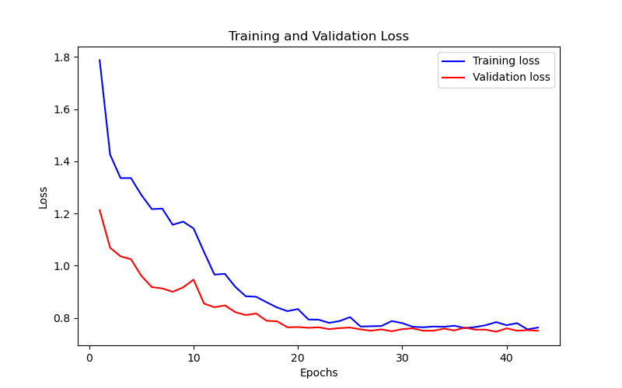
27 | 72.79 | 0.768 | 75.589225589 | 0.751
28 | 73.32 | 0.769 | 74.915824916 | 0.756
29 | 72.08 | 0.788 | 74.410774411 | 0.749
30 | 72.98 | 0.78 | 75.533108866 | 0.757
31 | 73.28 | 0.766 | 74.523007856 | 0.76
32 | 72.96 | 0.764 | 75.476992144 | 0.751
33 | 72.99 | 0.767 | 75.81369248 | 0.751
34 | 72.79 | 0.766 | 74.523007856 | 0.759
35 | 73.06 | 0.77 | 75.140291807 | 0.752
36 | 73.12 | 0.761 | 74.691358025 | 0.763
37 | 72.87 | 0.765 | 74.80359147 | 0.755
38 | 73.06 | 0.772 | 75.252525253 | 0.755
39 | 72.15 | 0.784 | 75.308641975 | 0.747
40 | 73.01 | 0.772 | 74.579124579 | 0.76
41 | 72.68 | 0.78 | 75.19640853 | 0.751
42 | 73.14 | 0.756 | 75.476992144 | 0.753
43 | 72.48 | 0.763 | 75.589225589 | 0.751

